Sheet1
 | TOPICS TO BE COVERED

Day 1 | HTML TOPICS | Status | Completion %
 | Elements
 | Links
 | Images
 | Tables
 | Block & Inline
 | Classes & ID
 | Iframe
 | Semantics
 | Forms
 | Lists
 | Canvas
 | SVG
 | Video
 | Audio
 | Responsive
Day 2 | CSS TOPICS | Status | Completion %
 | selectors
 | Colors
 | Box Model
 | Icons
 | Links
 | Lists
 | Tables
 | Positions
 | Combinators
 | Pseudo-class
 | Pseudo-Elements
 | Nav bar
 | Forms
 | Animations
 | Tooltip
 | Pagination
 | Buttons
 | Grid
 | Gradients
 | Shadows
Day 3 and 4 | JAVASCRIPT TOPICS | Status | Completion %
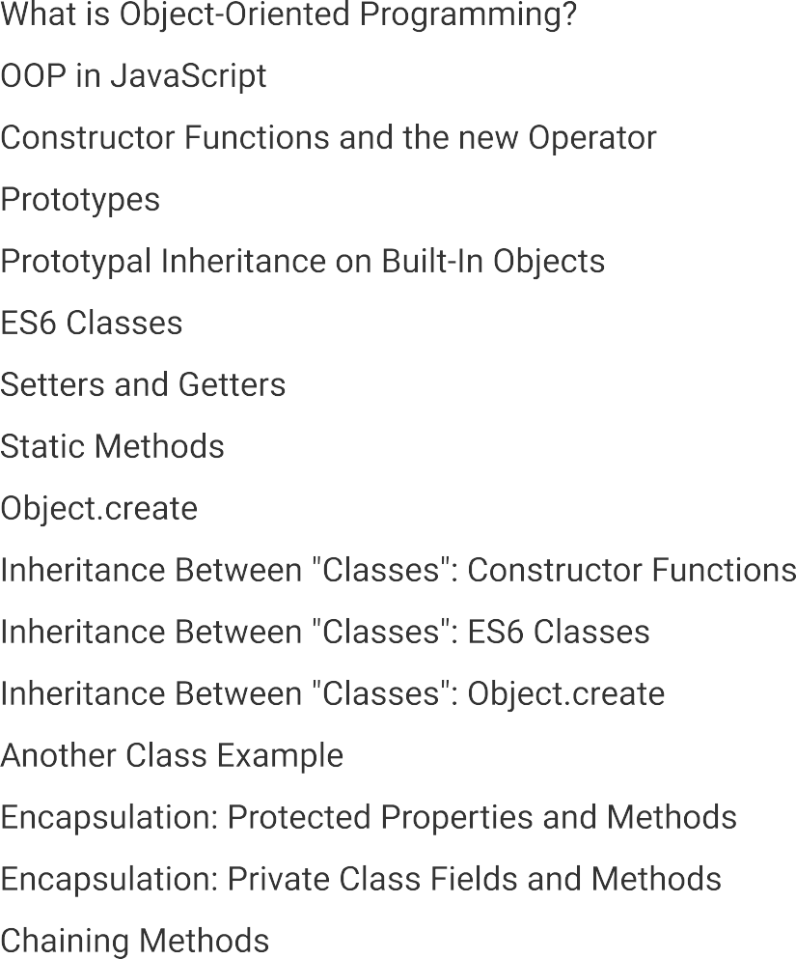
 | Let vs Const vs Var
 | Operators
 | Datatypes
 | Functions
 | String
 | String Methods
 | Array
 | Array Methods
 | Number
 | Number Methods
 | Date Formats
 | Conditions
 | Type of Conversions
 | RegExp
 | Hoisting
 | Arrow Function
 | Classes
 | Objects
 | Map()
 | Get()
 | Closures
 | Promises
 | Async
 | Validations
 | Features of ES6
Day 5 to 8 | ANGULAR TOPICS | Status | Completion %
 | Components
 | Modules
 | Bindings
 | Template Reference Variables
 | Directives
 | Custom Directives
 | Component Interaction
 | Pipes
 | Custom Pipes
 | Services
 | Dependency Injection
 | Observables & Promises
 | Fetch Data using HTTP
 | Routing and Navigation
 | RouteParameters
 | Wild card Route & Redirecting Route
 | ParamMap Observables
 | Child Routes
 | Reactive Forms
 | Template Driven Forms
 | Reactive Forms with Validation
 | TDF with Validation
 | Life Cycle Hooks
Day 8 to 10 | ANGULAR MATERIAL | Status | Completion %
 | AutoComplete
 | Badge
 | Bottom Sheet
 | Buttons
 | Button Toggle
 | Card
 | Checkbox
 | Chips
 | Datepicker
 | Dialog
 | Lists
 | Input
 | Grid list
 | Form field
 | SideNav
 | Tables
 | Toolbar
 | Slider
 | Menu
 | Icons

